Ex 1a
Markov Chain
1 | 5 | 1 | 1 | 1 | 1 | 1 | 5 | 1 | 3
1 | 1 | 1 | 5 | 3 | 3 | 5 | 5 | 2 | 4
3 | 3 | 3 | 3 |  |  |  |  | 3 | 5
5 | 5 | 5 | 5 |  |  |  |  | 2 | 2
 |  |  |  |  |  |  |  | 4 | 4
 | 1 | 2 | 3 | 4 | node 1 | node 2 | x | y | prob up | prob dn
1 | 0.2 | 0.2 | 0.2 | 0.4 | 1 | 2 | 1 | 3 | 0.2 | 0
2 | 0 | 1 | 0 | 0 | 1 | 3 | 2 | 4 | 0.2 | 0
3 | 0 | 0.5 | 0 | 0.5 | 1 | 4 | 3 | 5 | 0.4 | 0
4 | 0 | 0 | 0 | 1 | 2 | 3 | 2 | 2 | 0 | 0.5
 |  |  |  |  | 3 | 4 | 4 | 4 | 0.5 | 0
 | x | y
1 | 1 | 5
2 | 1 | 1
3 | 3 | 3
4 | 5 | 5

Ex 1b
Markov Chain
1 | 5 | 1 | 1 | 1 | 1 | 1 | 5 | 1 | 3
1 | 1 | 1 | 5 | 3 | 3 | 5 | 5 | 2 | 4
3 | 3 | 3 | 3 |  |  |  |  | 3 | 5
5 | 5 | 5 | 5 |  |  |  |  | 2 | 2
 |  |  |  |  |  |  |  | 4 | 4
 | 1 | 2 | 3 | 4 | node 1 | node 2 | x | y | prob up | prob dn
1 | 0.2 | 0.2 | 0.2 | 0.4 | 1 | 2 | 1 | 3 | 0.2 | 0
2 | 0 | 1 | 0 | 0 | 1 | 3 | 2 | 4 | 0.2 | 0
3 | 0 | 0.5 | 0 | 0.5 | 1 | 4 | 3 | 5 | 0.4 | 0
4 | 0 | 0 | 0 | 1 | 2 | 3 | 2 | 2 | 0 | 0.5
 |  |  |  |  | 3 | 4 | 4 | 4 | 0.5 | 0
 | x | y
1 | 1 | 5
2 | 1 | 1
3 | 3 | 3
4 | 5 | 5

Ex 3a
 | 1 | 2 | 3 | node 1 | node 2 | x | y | prob up | prob dn
1 | 0 | 0.9 | 0.1 | 1 | 2 | 2 | 2.5 | 0.9 | 0.6
2 | 0.6 | 0 | 0.4 | 1 | 3 | 3 | 4 | 0.1 | 0.5
3 | 0.5 | 0.2 | 0.3 | 2 | 3 | 4 | 2.5 | 0.4 | 0.2

Markov Chain
1 | 4 | 1 | 4 | 1 | 4 | 2 | 2.5
3 | 1 | 3 | 1 | 5 | 4 | 3 | 4
5 | 4 | 5 | 4 |  |  | 4 | 2.5
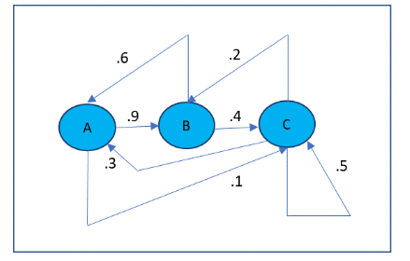
1 | 1 | 5
2 | 3 | 1
3 | 5 | 5

